Bug Report1
Bug ID: | 1
Bug name: | The floors are not leveled
Description: | When the elevator is called from the ground floor, the floor of the elevator and the ground floor are not in the same level
Steps to reproduce: | Press the button to call the elevator on the ground floor
 | Visually check the floor level

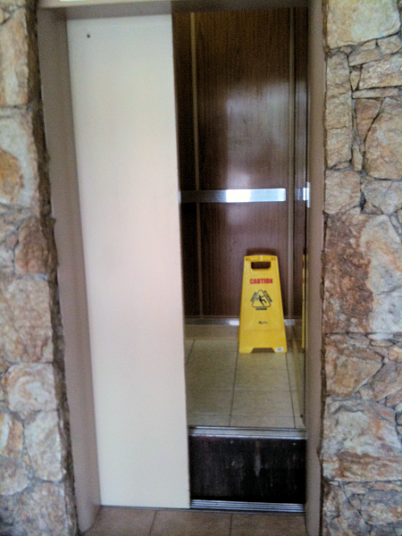
Expected result: | The floors are leveled
Actual result: | the floor of the elevator and the ground floor are not in the same level
Screenshot:

Assing to: | elevator maintenance company
Repro rate: | 80%
Priority : | high
Severity: | high

